Gowin
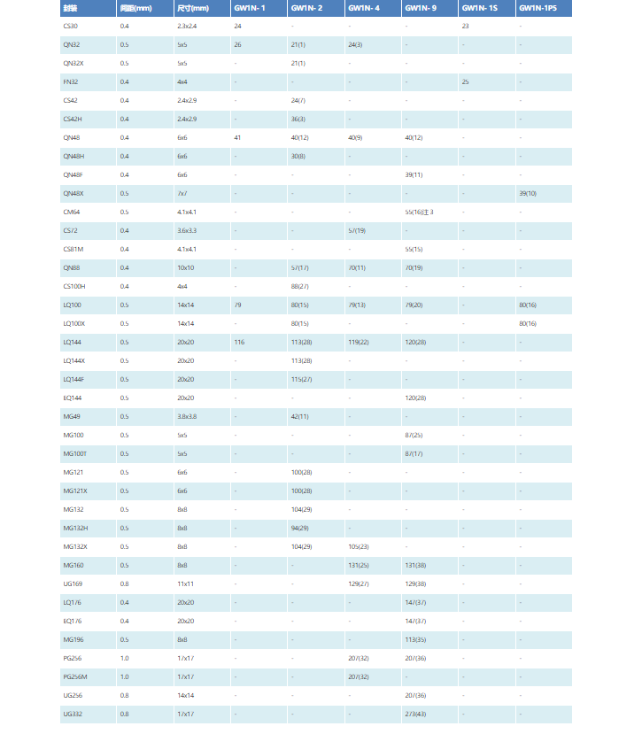
Feature | Gowin GW1N- 4 | Gowin GW1N- 9
ASP(RMB)
Foundry Node | 55nm | 55nm
Instant Boot Up Time | 10us | 10us
LUT Type | LUT4 | LUT4
LUT# | 4608 | 8640
Register | 3456 | 6480
Carry Chain | NC | NC
DSP Type | 18*18 | 18*18
DSP# | 16 | 20
BRAM Type | 18Kb | 18Kb
BRAM# | 10 | 26
Distribution SRAM | NC | yes
PLL# | 2 | 2
Freq | 150MHz | 150MHz
OSC# | Yes | Yes
Dual Boot | Yes | Yes
Remote Upgrade | Yes | Yes
IO MODE | SDR/DDR | SDR/DDR
I/O Type | LVCMOS 3.3/2.5/1.8/1.5/1.2; LVTTL; PCI; LVDS; MIPI D-PHY | LVCMOS 3.3/2.5/1.8/1.5/1.2; LVTTL; PCI; LVDS; MIPI D-PHY
I/O PIN# | See the figure below | See the figure below
Typical Package | See the figure below | See the figure below

